Sheet1
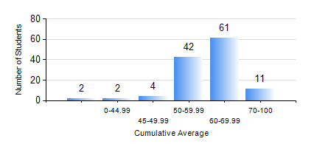
 |  |  | KWAME NKRUMAH UNIVERSITY OF SCIENCE AND TECHNOLOGY, KUMASI Department of Geomatic Engineering

 |  |  | BSC. GEOMATIC ENG.

 |  |  | COMPREHENSIVE RECORD OF EXAMINATION RESULTS

 |  |  | RESULTS OF YEAR 2 FIRST SEMESTER, 2018/2019 ACADEMIC YEAR

 | Sn | Course Code |  | Course Name | Credit Hours | Min. Mark | Max. Mark | Avg. Mark | Std. Dev. | No. Passed | No. Trailed | No. (Df) | No. (I) | No. (I*) | No. Tagged(I,I*,Df) | Total
 | 0. |  |  |  |  |  |  | 0 | 0 | 0 | 0 | 0 | 0 | 0 | 0 | 5
 | 1. | CENG 291 |  | ENGINEERING IN SOCIETY | 2 | 40 | 89 | 73 | 8.2 | 114 | 0 | 2 | 1 | 0 | 3 | 117
 | 2. | ENGL 263 |  | LITERATURE IN ENGLISH I | 1 | 50 | 81 | 68 | 4.8 | 116 | 0 | 0 | 1 | 0 | 1 | 117
 | 3. | GE 251 |  | PHOTOGRAMMETRY I | 3 | 40 | 80 | 60 | 8.94 | 116 | 0 | 0 | 1 | 0 | 1 | 117
 | 4. | GE 261 |  | FIELD ASTRONOMY | 3 | 41 | 87 | 65 | 9.17 | 116 | 0 | 0 | 1 | 0 | 1 | 117
 | 5. | GE 263 |  | INFORMATION SCIENCE AND PROGRAMMING | 3 | 17 | 95 | 62 | 14.98 | 109 | 7 | 0 | 1 | 0 | 1 | 117
 | 6. | GE 271 |  | ENGINEERING SURVEYING | 3 | 2 | 95 | 58 | 19.54 | 103 | 12 | 0 | 2 | 0 | 2 | 117
 | 7. | GE 281 |  | MARINE AND GEODETIC SCIENCE | 2 | 21 | 98 | 72 | 12.97 | 114 | 2 | 0 | 1 | 0 | 1 | 117
 | 8. | MATH 251 |  | DIFFERENTIAL EQUATIONS | 4 | 20 | 80 | 52 | 10.45 | 108 | 7 | 0 | 2 | 0 | 2 | 117

